Front page
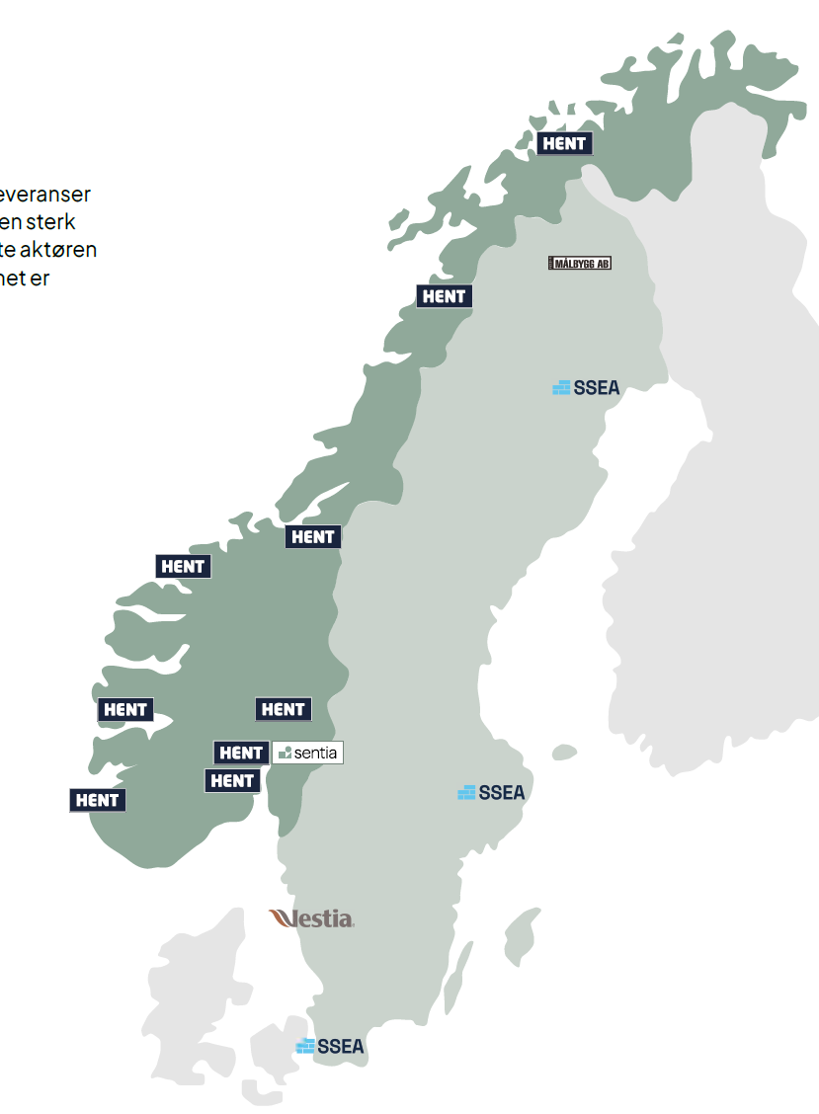

Sentia is a leading Nordic construction group with a solid project delivery and a proven ability to deliver profitable growth over time. The group has a strong market position in Norway and Sweden, and is the sixth largest player in the construction industry in both countries combined.

ANALYST TOOL |  | Q2 2026

ABOUT THIS FILE
This file is an informal help/tool for those who want figures for the Sentia Group available for their own analyses or other use.
The file present key accounting figures in Excel for historical periods as reported to the capital markets. The file may contain errors or inaccuracies, including rounding adjustments. The figures in this file are not audited and the figures are not a substitute for the mandatory reporting that has been made, nore must they be used as a substitute for the mandatory reporting.

CONTACT INFORMATION
Sverre Hærem, EVP & Chief Financial Officer
sh@sentiagruppen.com | + 47 952 45 167

Arnt Eriksen, Group Chief Accounting Officer
ae@sentiagruppen.com | + 47 922 14 625

SENTIA ASA
Oslo Stock Exchange ticker: SNTIA
Website: www.sentiagruppen.com
Street adress: Olav Vs gate 1, 0161 Oslo
Phone: +47 95 90 20 00
Company reg. no: 999 256 864

